DISHY SOAP (CHEMICALS)
KITCHEN
DATE | DESCRIPTION | QTY | BILLS | PRICE | SUBTOTAL | TOTAL
7-Nov-2025 | DISINFECTANT 5L | 1 | 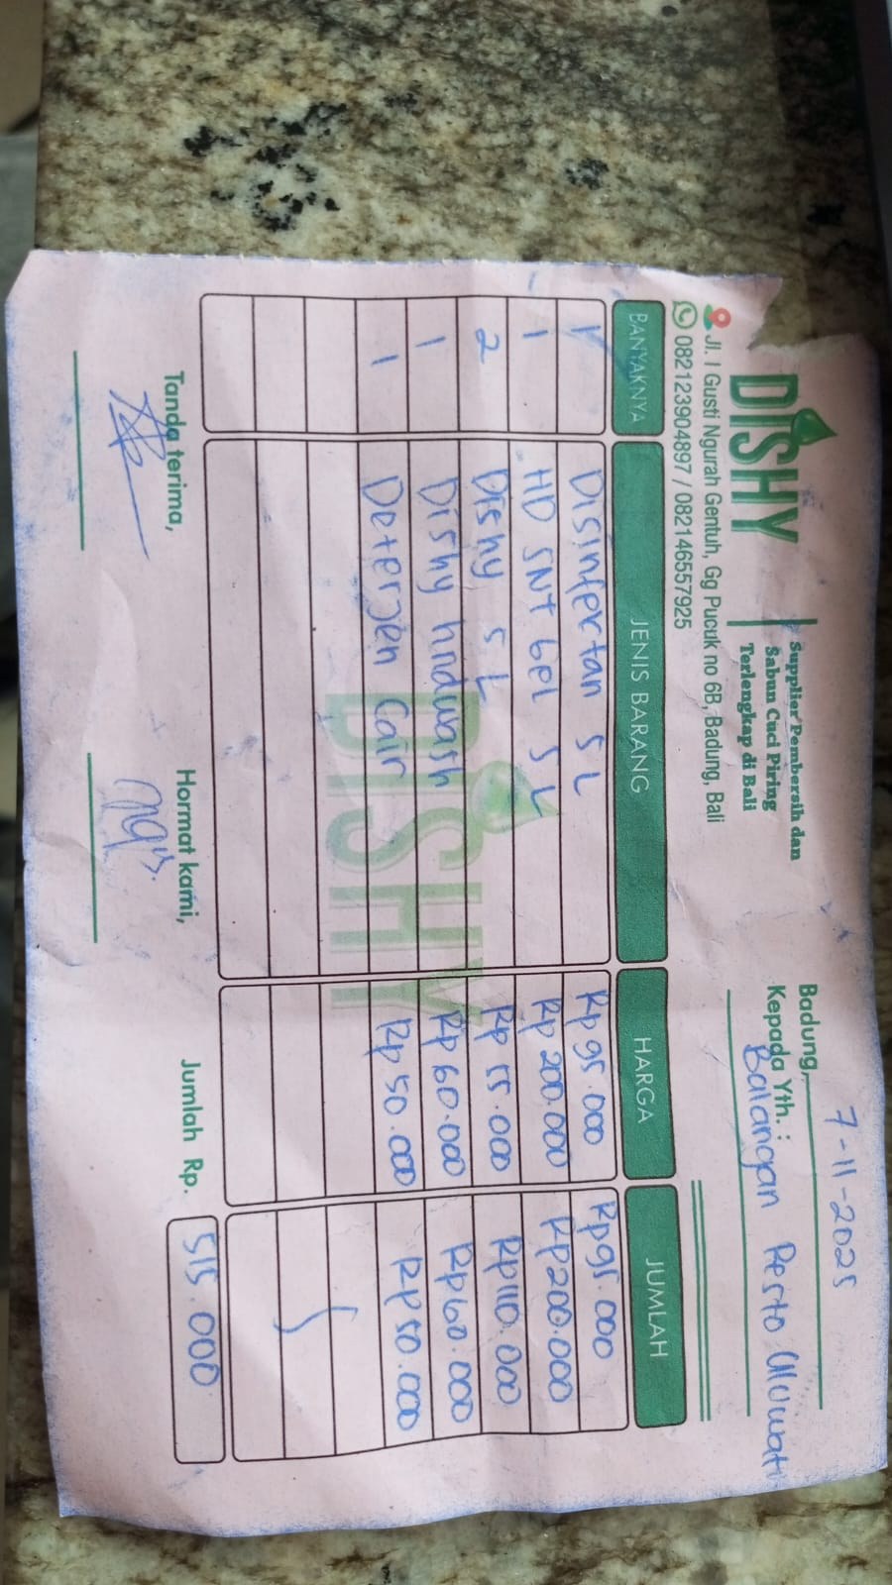 | Rp95,000 | Rp95,000 | Rp515,000
 | HD SNT GEL 5L | 1 |  | Rp200,000 | Rp200,000
 | DISHY 5L | 2 |  | Rp55,000 | Rp110,000
 | DISHY HANDWASH | 1 |  | Rp60,000 | Rp60,000
 | LIQUID DETERGENT | 1 |  | Rp50,000 | Rp50,000
14-Nov-2025 | DISHY 5L | 3 | 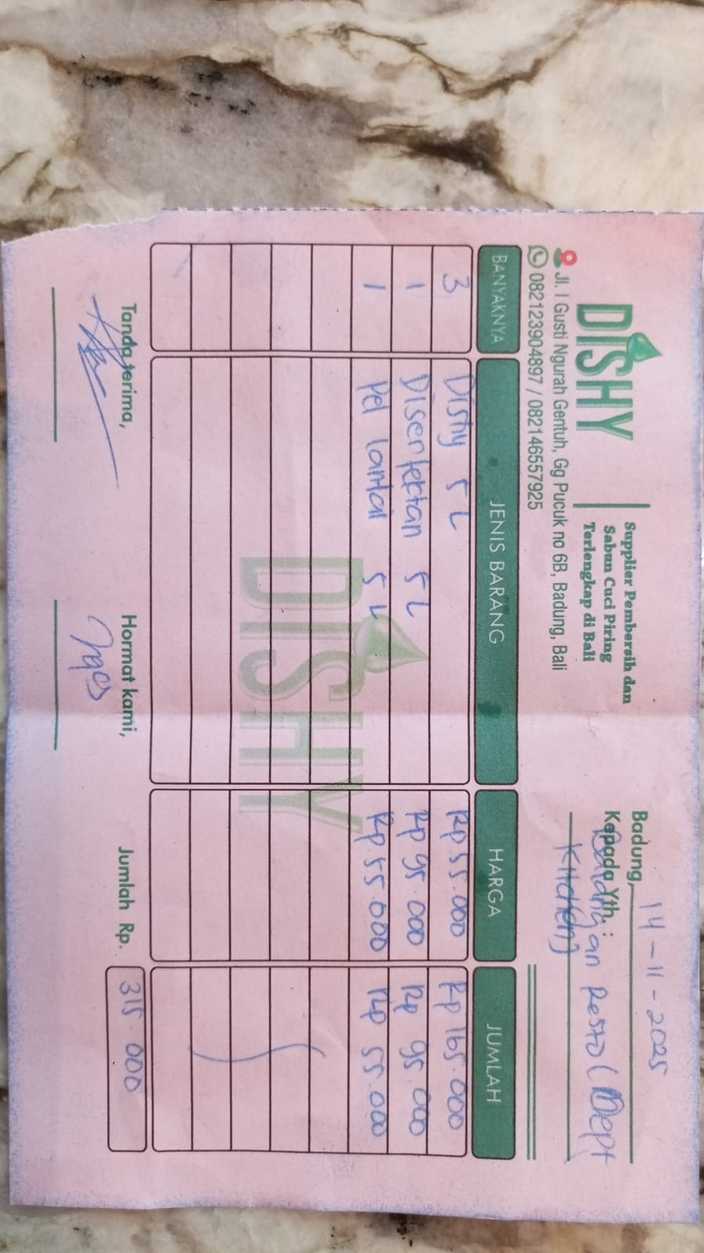 | 55000 | Rp165,000 | Rp315,000
 | DISINFECTAN 5L | 1 |  | 95000 | Rp95,000
 | FLOOR CLEANER | 1 |  | 55000 | Rp55,000
21-Nov-2025 | DISHY 5L | 1 | 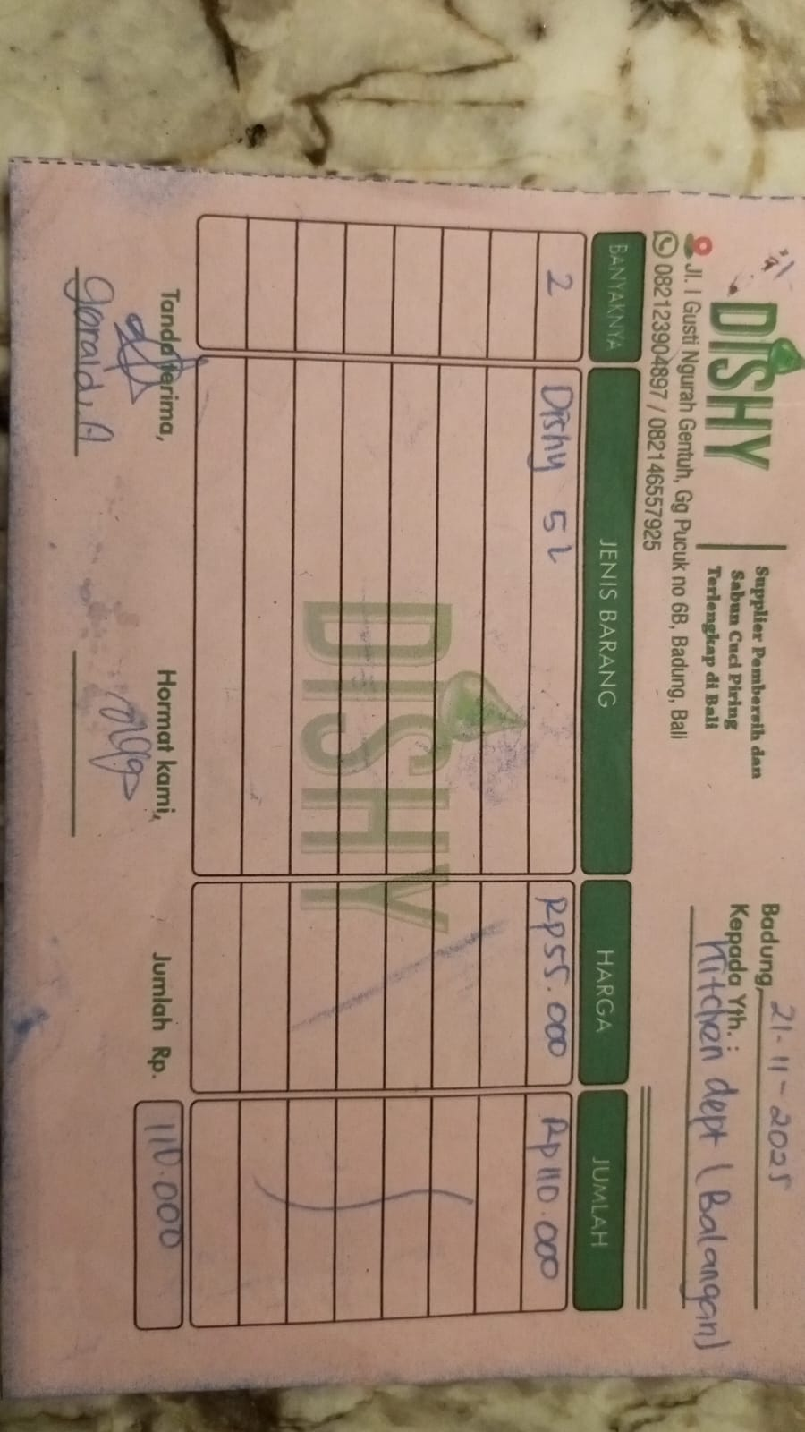 | 55000 | Rp55,000 | Rp55,000
GRAND TOTAL |  |  |  |  |  | Rp885,000

FLOOR
DATE | DESCRIPTION | QTY | BILLS | PRICE | SUBTOTAL | TOTAL
21-Nov-2025 | FLOOR CLEANER | 2 | 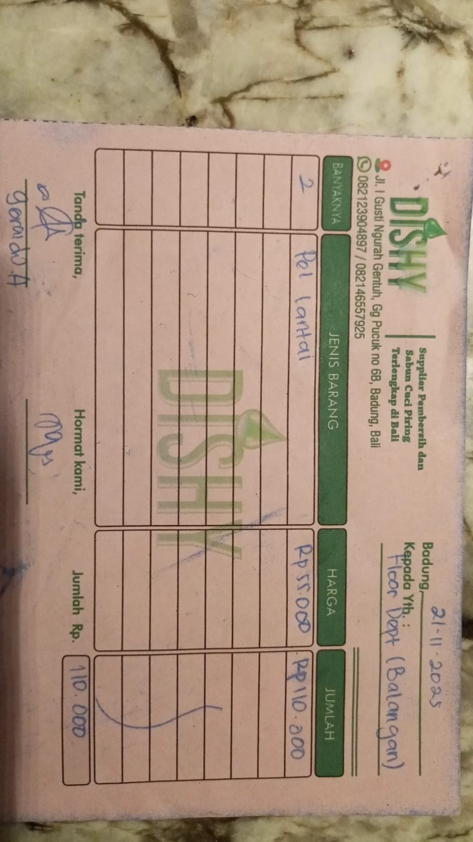 | Rp55,000 | Rp110,000 | Rp110,000
GRAND TOTAL |  |  |  |  |  | Rp110,000

 | KITCHEN | Rp885,000
 | FLOOR | Rp110,000
 | TOTAL | Rp995,000

